1. Standard Uniform RV
 | In This column, 20 standard uniform random numbers are generated:
1. Standard Uniform Random variable r | 0.52358248857
 | 0.23214657745
A random variable r is said to be a Standard Uniform r.v. if | 0.74445472092
it can take any value between 0 and 1 with equal likelihoods. | 0.55614467052
The probability density function of a standard uniform r.v. is: | 0.88992857235
f(r) = 1, 0 < r < 1 | 0.9419709478
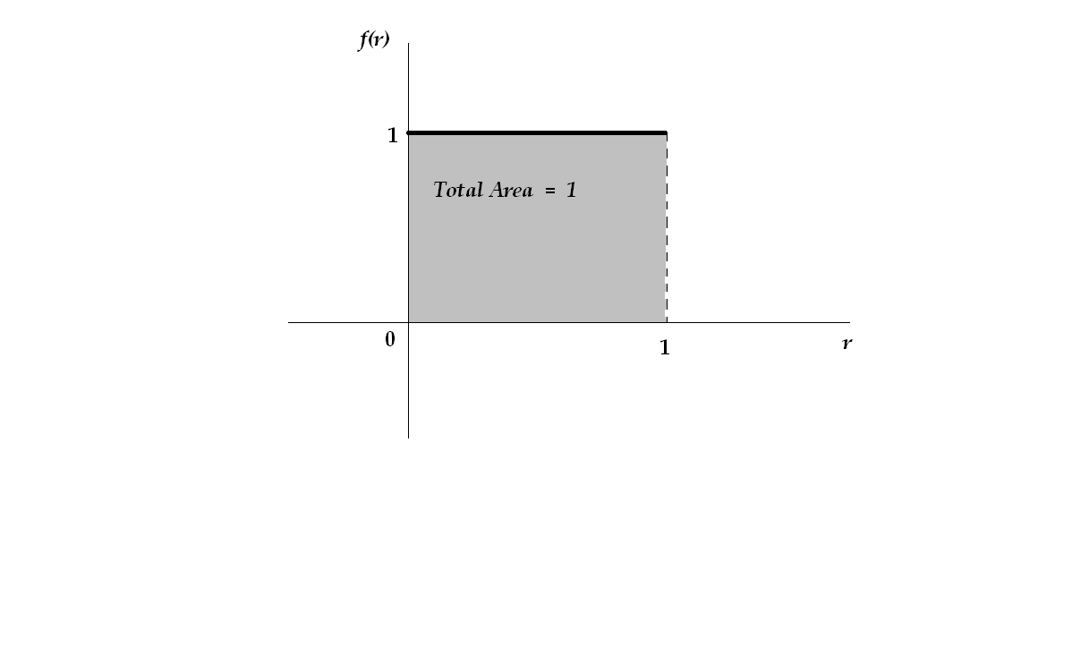
 | 0.83516563628
 | 0.33135887708
 | 0.79900742749
 | 0.65474218491
 | 0.64883434501
 | 0.83986101492
 | 0.28952468724
 | 0.36478427387
 | 0.24419111973
 | 0.37406224153
 | 0.73809159995
 | 0.1488213846
 | 0.47847051441
 | 0.8254352291

2. Generating Standard Uniform Random variable r in Excel:
In Excel, a standard uniform random (in fact, pseudo-random) variable can be created
by entering the following formula in an excel cell (exclude the quotation marks when
entering the formula:
" = RAND() "

3. Applications of Standard Uniform Random variable r :
Among many other uses, one of the most important application of such numbers are that
they can be used as cumulative probabilities for generating other types of random variables.
This use is due to the property that they take values between 0 and 1, and cumulative
probabilities are also always between 0 and 1.

Therefore, generating standard uniform numbers is almost always the first step in any
simulation process.

'''''''''''''''''''''''''''''''''''''''''''''''''''''''''''''''''''''''''''''''''''''''''''''''''''''''''''''''''''''''''''''''''''''''''''''''''''''''''''''''''''''''''''''''''''''

2. Non-Std Uniform RV
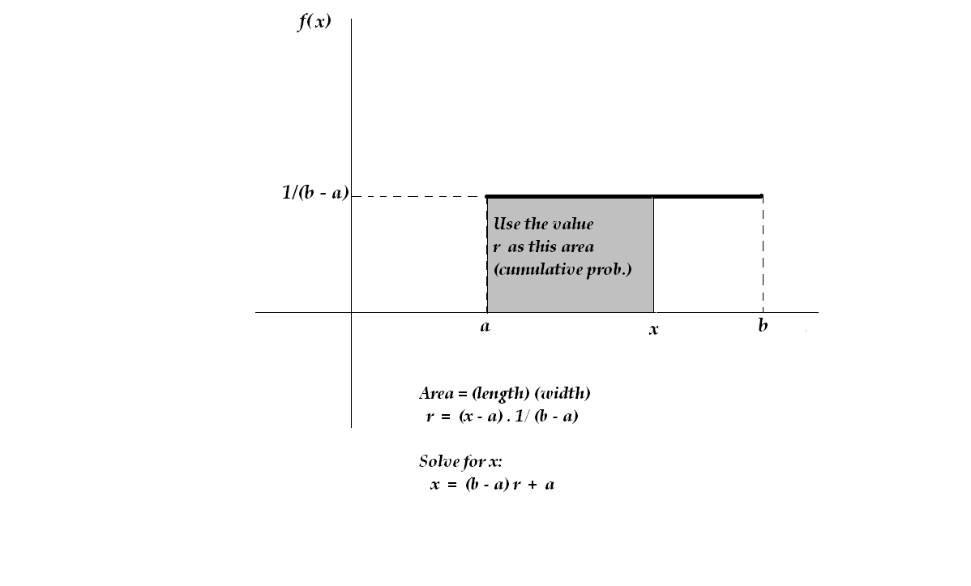
 | In this column, 10 standard uniform RV's are generated: | In this column, the previous RV r are used to generate uniform random numbers between 1000 and 1500:
1. Non-Standard Uniform Random variable x | 0.33620031205 | 1168.10
 | 0.74254068627 | 1371.27
In general, a random variable x is said to be a Uniform r.v. if | 0.63662107246 | 1318.31
it can take any value between two points a and b with equal likelihoods. | 0.71355954396 | 1356.78
The probability density function of a uniform r.v. is: | 0.85482747336 | 1427.41
f(x) = 1/(b-a), a < x < b | 0.52363594471 | 1261.82
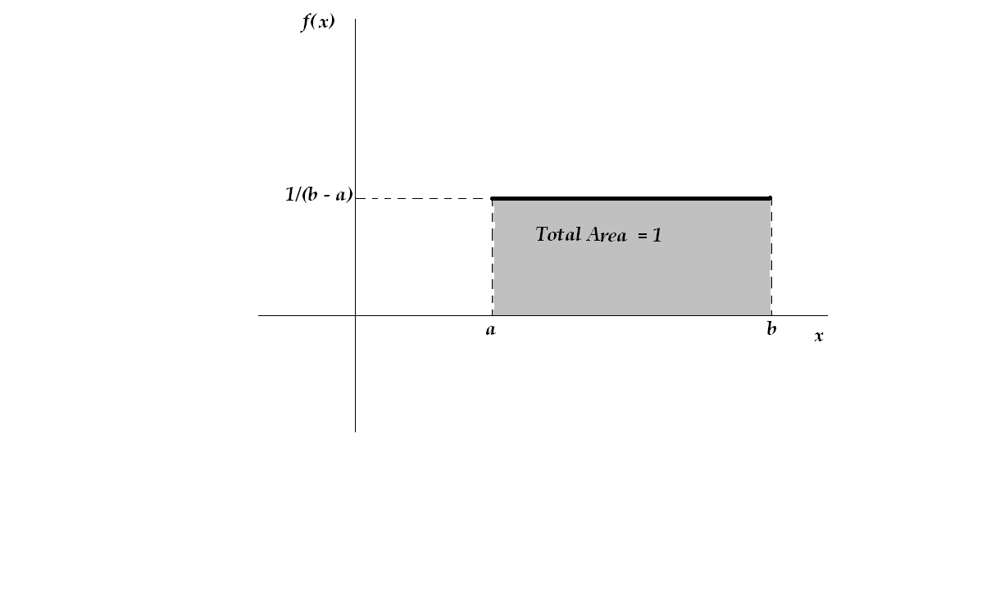
 | 0.17197292627 | 1085.99
 | 0.46277398107 | 1231.39
 | 0.17617856398 | 1088.09
 | 0.90663106793 | 1453.32

 |  | Simulation of the total Revenue for 10 days:
 |  | $12,762.47

2. Generating Uniform Random variable x in Excel:
In Excel, one first generates a standard uniform random r, and then uses this value to
as an input (as a cumulative probability) to generate a nonstandard uniform RV between a and b
by entering the following formula (do not include the quotation marks when entering the formula):
" = (b - a) r + a "

3. Applications of Non-Standard Uniform Random variable x :
In many bisiness related situations, a random number may have a uniform distribution between two
specific values. For example, suppose the daily revenue generated by a machine has a uniform distribution
between $1000 and $1500, and we wish to simulate this revenue on any given day.
To do so, first a standard uniform RV r is generated, and then the formula
" = (1500 - 1000) r + 1000 "
is used to generate the desired random number.

3. Semi-Triangular RV
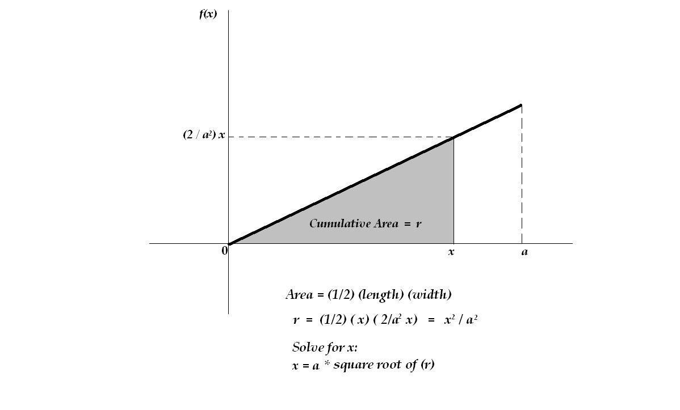
 | In this column, 10 standard uniform RV's are generated: | In this column, the previous RV r are used to generate triangular random numbers between 0 and 4:
1. Semi-Triangular Random variable x | 0.24121272138 | 1.96
 | 0.8058400284 | 3.59
A random variable x is said to be triangular between 0 and a point a if its probability distribution | 0.0093165529975 | 0.39
Looks like the following. In this case, as x becomes larger, the probability of its occurance increases. | 0.29087878182 | 2.16
The probability density function of triangular between 0 and a point a is: | 0.46596865529 | 2.73
f(x) = (2/ a² ) x , 0 < x < a | 0.96009720394 | 3.92
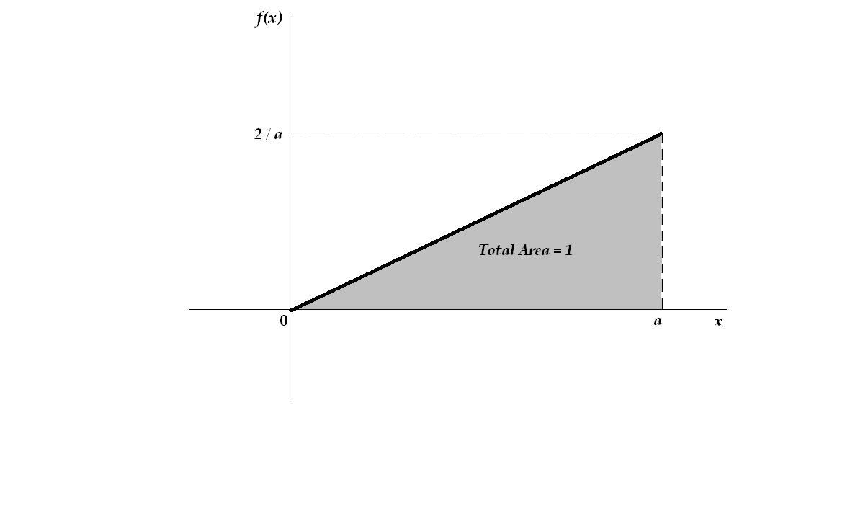
 | 0.66239027725 | 3.26
 | 0.62920038699 | 3.17
 | 0.11894645211 | 1.38
 | 0.38329897296 | 2.48

 |  | Simulation of the total number of weeks
 |  | 25.03

2. Generating Triangular Random variable x in Excel:
In Excel, one first generates a standard uniform random r, and then uses this value to
as an input (as a cumulative probability) to generate a triangular RV between 0 and a
by entering the following formula (do not include the quotation marks when entering the formula):
" = a * SQRT( r ) "

3. Applications of Triangular Random variable x :
For many mechanical or electrical machines, the time between any two break-downs (in weeks) is best
expressed by a triangular destribution. For example, suppose the time between breakdowns of a machine
has a triangular distribution between 0 and 4 weeks; and we wish to simulate this quantity.
To do so, first a standard uniform RV r is generated, and then the formula
" = 4 * √r "
is used to generate the desired random number.

4. Normal RV
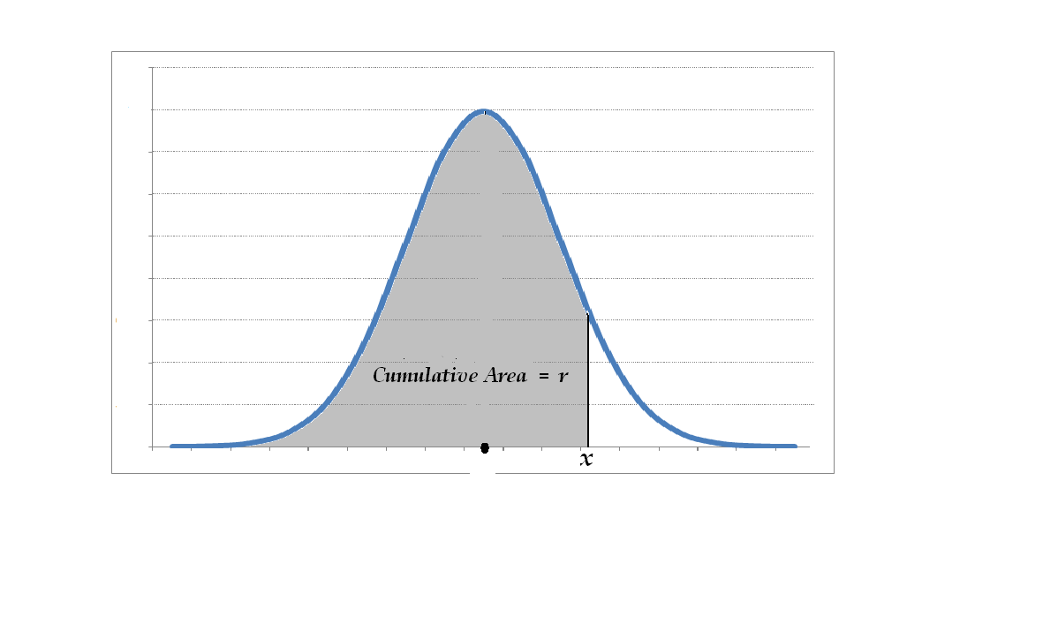
 | In this column, 10 standard uniform RV's are generated: | The values in the previous columns are used as cumulative probabilities for simulating the lifetimes of 10 randomly chosen TV's whose distribution is Normal with a mean of 10 years and a standard deviation of 1 year
1. Normal Random variable x | 0.36561544178 | 9.66
 | 0.79457703149 | 10.82
A random variable x is said to have a Normal probability distribution with a mean µ and a standard Dev. σ | 0.11800998601 | 8.82
if its probability distribution is bell-shaped as shown below | 0.8253666335 | 10.94
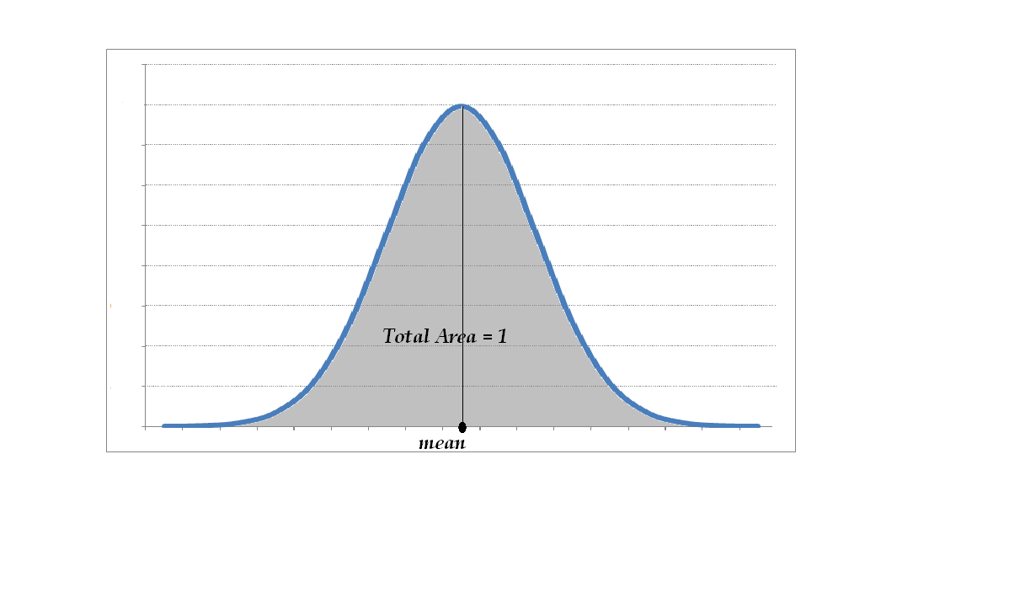
 | 0.44223885267 | 9.85
 | 0.51398704564 | 10.04
 | 0.86869927793 | 11.12
 | 0.59589087783 | 10.24
 | 0.97226711714 | 11.92
 | 0.16298878845 | 9.02

 |  | All above values have been formatted to show two places after the decimal.

2. Generating Normal Random variable x in Excel:
In Excel, one first generates a standard uniform random r, and then uses this value to
as an input (as a cumulative probability) to generate a Normal RV with a mean µ and a standard Dev. σ
by entering the following formula (do not include the quotation marks when entering the formula):
" = NORM.INV ( r, µ , σ ) "

3. Applications of Normal Random variables :
The lifetimes of many mechanical or electrical devices approximately have a normal distribution.
Normal distribution also plays an important role in Quality Control processes. For example, suppose you
wish to simulate the lifetime of a brand of TV whose average lifetime is 10 years with a standard deviation
of 1 year. To do so, first generate a standard uniform random variable r and use it as a cumulative
probability in the formula: " = NORM.INV( r, 10, 1) "

